Sheet2
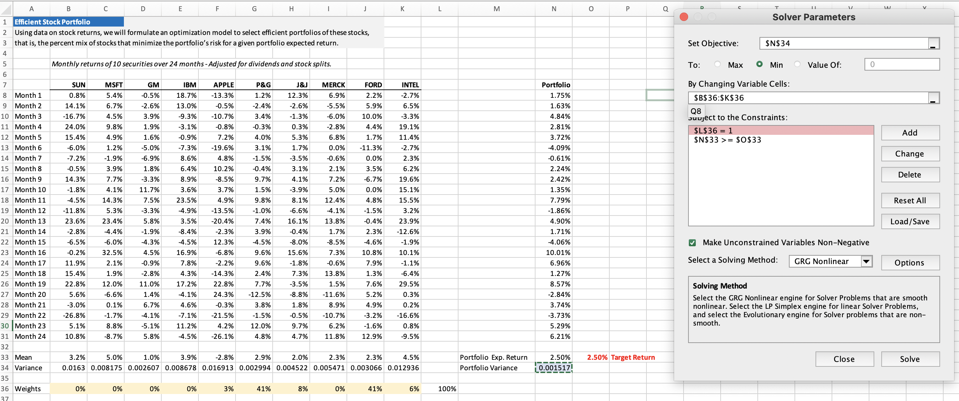
Efficient Stock Portfolio |  |  |  |  |  |  |  |  |  |  |  |  |  |  | When We target expected Return as 2.50%
Using data on stock returns, we will formulate an optimization model to select efficient portfolios of these stocks,
that is, the percent mix of stocks that minimize the portfolio’s risk for a given portfolio expected return.

 | Monthly returns of 10 securities over 24 months - Adjusted for dividends and stock splits.

 | SUN | MSFT | GM | IBM | APPLE | P&G | J&J | MERCK | FORD | INTEL |  |  | Portfolio
Month 1 | 0.8% | 5.4% | -0.5% | 18.7% | -13.3% | 1.2% | 12.3% | 6.9% | 2.2% | -2.7% |  |  | 1.75%
Month 2 | 14.1% | 6.7% | -2.6% | 13.0% | -0.5% | -2.4% | -2.6% | -5.5% | 5.9% | 6.5% |  |  | 1.63%
Month 3 | -16.7% | 4.5% | 3.9% | -9.3% | -10.7% | 3.4% | -1.3% | -6.0% | 10.0% | -3.3% |  |  | 4.84%
Month 4 | 24.0% | 9.8% | 1.9% | -3.1% | -0.8% | -0.3% | 0.3% | -2.8% | 4.4% | 19.1% |  |  | 2.81%
Month 5 | 15.4% | 4.9% | 1.6% | -0.9% | 7.2% | 4.0% | 5.3% | 6.8% | 1.7% | 11.4% |  |  | 3.72%
Month 6 | -6.0% | 1.2% | -5.0% | -7.3% | -19.6% | 3.1% | 1.7% | 0.0% | -11.3% | -2.7% |  |  | -4.09%
Month 7 | -7.2% | -1.9% | -6.9% | 8.6% | 4.8% | -1.5% | -3.5% | -0.6% | 0.0% | 2.3% |  |  | -0.61%
Month 8 | -0.5% | 3.9% | 1.8% | 6.4% | 10.2% | -0.4% | 3.1% | 2.1% | 3.5% | 6.2% |  |  | 2.24%
Month 9 | 14.3% | 7.7% | -3.3% | 8.9% | -8.5% | 9.7% | 4.1% | 7.2% | -6.7% | 19.6% |  |  | 2.42%
Month 10 | -1.8% | 4.1% | 11.7% | 3.6% | 3.7% | 1.5% | -3.9% | 5.0% | 0.0% | 15.1% |  |  | 1.35%
Month 11 | -4.5% | 14.3% | 7.5% | 23.5% | 4.9% | 9.8% | 8.1% | 12.4% | 4.8% | 15.5% |  |  | 7.79%
Month 12 | -11.8% | 5.3% | -3.3% | -4.9% | -13.5% | -1.0% | -6.6% | -4.1% | -1.5% | 3.2% |  |  | -1.86%
Month 13 | 23.6% | 23.4% | 5.8% | 3.5% | -20.4% | 7.4% | 16.1% | 13.8% | -0.4% | 23.9% |  |  | 4.90%
Month 14 | -2.8% | -4.4% | -1.9% | -8.4% | -2.3% | 3.9% | -0.4% | 1.7% | 2.3% | -12.6% |  |  | 1.71%
Month 15 | -6.5% | -6.0% | -4.3% | -4.5% | 12.3% | -4.5% | -8.0% | -8.5% | -4.6% | -1.9% |  |  | -4.06%
Month 16 | -0.2% | 32.5% | 4.5% | 16.9% | -6.8% | 9.6% | 15.6% | 7.3% | 10.8% | 10.1% |  |  | 10.01%
Month 17 | 11.9% | 2.1% | -0.9% | 7.8% | -2.2% | 9.6% | -1.8% | -0.6% | 7.9% | -1.1% |  |  | 6.96%
Month 18 | 15.4% | 1.9% | -2.8% | 4.3% | -14.3% | 2.4% | 7.3% | 13.8% | 1.3% | -6.4% |  |  | 1.27%
Month 19 | 22.8% | 12.0% | 11.0% | 17.2% | 22.8% | 7.7% | -3.5% | 1.5% | 7.6% | 29.5% |  |  | 8.57%
Month 20 | 5.6% | -6.6% | 1.4% | -4.1% | 24.3% | -12.5% | -8.8% | -11.6% | 5.2% | 0.3% |  |  | -2.84%
Month 21 | -3.0% | 0.1% | 6.7% | 4.6% | -0.3% | 3.8% | 1.8% | 8.9% | 4.9% | 0.2% |  |  | 3.74%
Month 22 | -26.8% | -1.7% | -4.1% | -7.1% | -21.5% | -1.5% | -0.5% | -10.7% | -3.2% | -16.6% |  |  | -3.73%
Month 23 | 5.1% | 8.8% | -5.1% | 11.2% | 4.2% | 12.0% | 9.7% | 6.2% | -1.6% | 0.8% |  |  | 5.29%
Month 24 | 10.8% | -8.7% | 5.8% | -4.5% | -26.1% | 4.8% | 4.7% | 11.8% | 12.9% | -9.5% |  |  | 6.21%

Mean | 3.2% | 5.0% | 1.0% | 3.9% | -2.8% | 2.9% | 2.0% | 2.3% | 2.3% | 4.5% |  | Portfolio Exp. Return | 2.50% | 2.50% | Target Return
Variance | 0.016299809633 | 0.0081752664972 | 0.002606658991 | 0.0086775501165 | 0.016913493175 | 0.0029935654665 | 0.0045219698582 | 0.005471165029 | 0.0030658541526 | 0.012936070591 |  | Portfolio Variance | 0.0015174422557

Weights | 0% | 0% | 0% | 0% | 3% | 41% | 8% | 0% | 41% | 6% | 100%

